Owen tube calculations
 |  |  |  |  |  | The following supplement accompanies the article

﻿Abundance and distribution of transparent exopolymer particles in the estuarine turbidity maximum of Chesapeake Bay

 |  |  |  |  |  | ﻿Michael A. Malpezzi, Lawrence P. Sanford, Byron C. Crump*

 |  |  |  |  |  | ﻿University of Maryland Center for Environmental Science Horn Point Laboratory, Cambridge, Maryland 21613, USA

 |  |  |  |  |  | *﻿Corresponding author. Email: bcrump@umces.edu

 |  |  |  |  |  | Marine Ecology Progress Series 486:23–35 (2013)

Supplement. This spreadsheet is an example implementation of the procedure used to determine the settling velocity distributions reported in Malpezzi et al. (2013), MEPS. It is a heavily annotated "living spreadsheet", meant to provided interested readers with a working version that can be adapted for their own use. A user need only edit the columns under "Measured inputs" to achieve an analysis of the settling velocity distribution of their own data. The TSS column could also be particulate concentration of some other quantity of interest, such as POM. For more explanation of each column, hover the pointer over the column headings in row 21

Measured Inputs |  |  |  | Calculations based on measured inputs |  |  |  | Corrections to original calculations to compensate for water column shortening during bottom withdrawal |  |  |  | Calculations based on bottom withdrawal tube theory as summarized in the "Owen tube theory" worksheet.
Sample# | Samp. Vol. (ml) | TSS (mg/l) | Sample Time (min) | TSS Mass (mg) | Height of sample (m) | Depth of fall (m) | Cumul. mass (mg) | Depth factor | Corr. Cumul. mass (mg) | Corr. Cumul. fraction | Corr. time (min.) | log(corr. time) | log(e)* dcumfrac /d(logt) | cumulativ distr | ws (mm/s) | freq distr | conc distr
0 |  |  | 0.0167 |  |  | 1.00 | 167.91 | 1.00 | 167.12 | 1.00 | 0.02 | -1.78 | -0.07
1 | 828.0 | 106.7 | 7 | 88.3 | 0.18 | 0.82 | 79.59 | 1.21 | 96.69 | 0.58 | 8.50 | 0.93 | -0.06 | 0.36 | 1.95 | 0.36 | 13.2
2 | 902.0 | 25.3 | 16 | 22.9 | 0.20 | 0.63 | 56.74 | 1.60 | 90.73 | 0.54 | 25.58 | 1.41 | -0.05 | 0.40 | 0.65 | 0.04 | 1.6
3 | 923.0 | 26.4 | 34 | 24.4 | 0.20 | 0.42 | 32.37 | 2.36 | 76.54 | 0.46 | 80.38 | 1.91 | -0.07 | 0.47 | 0.21 | 0.07 | 2.5
4 | 936.0 | 20.0 | 63 | 18.7 | 0.21 | 0.22 | 13.65 | 4.59 | 62.71 | 0.38 | 289.33 | 2.46 | -0.06 | 0.56 | 0.06 | 0.09 | 3.2
5 | 993.0 | 13.7 | 63+ | 13.7 | 0.22 | 0.00 | 0 |  |  |  |  |  |  | 1.00 | <0.06 | 0.44 | 16.1

Area (cm^2) |  | Tot. Vol. |  |  | average TSS (mg/l) |  |  |  | Fraction of | Settling particles |  | 0.56 | 20.5 |  | ws50 settling |  | 2
45.60 |  | 4582 |  |  | 36.6 |  |  |  | Fraction of | Non-settling particles |  | 0.44 | 16.1 |  | ws50 total |  | 0.16
 |  |  |  |  |  |  |  |  | Fraction of | Total particles |  | 1.00 | 36.6

Plot of settling velocity class (Column P) vs. the fraction of the total sediment in each class (Column Q).

Plot of the corrected time (Column L) vs. the corrected cumulative fraction of suspended mass (Column K).

 |  |  |  |  |  |  | 2013-06-27

Fraction of total sediment settling faster or slower than 0.06 cm/s
Initial concentration of sediment settling faster or slower than 0.06 cm/s

Owen tube theory
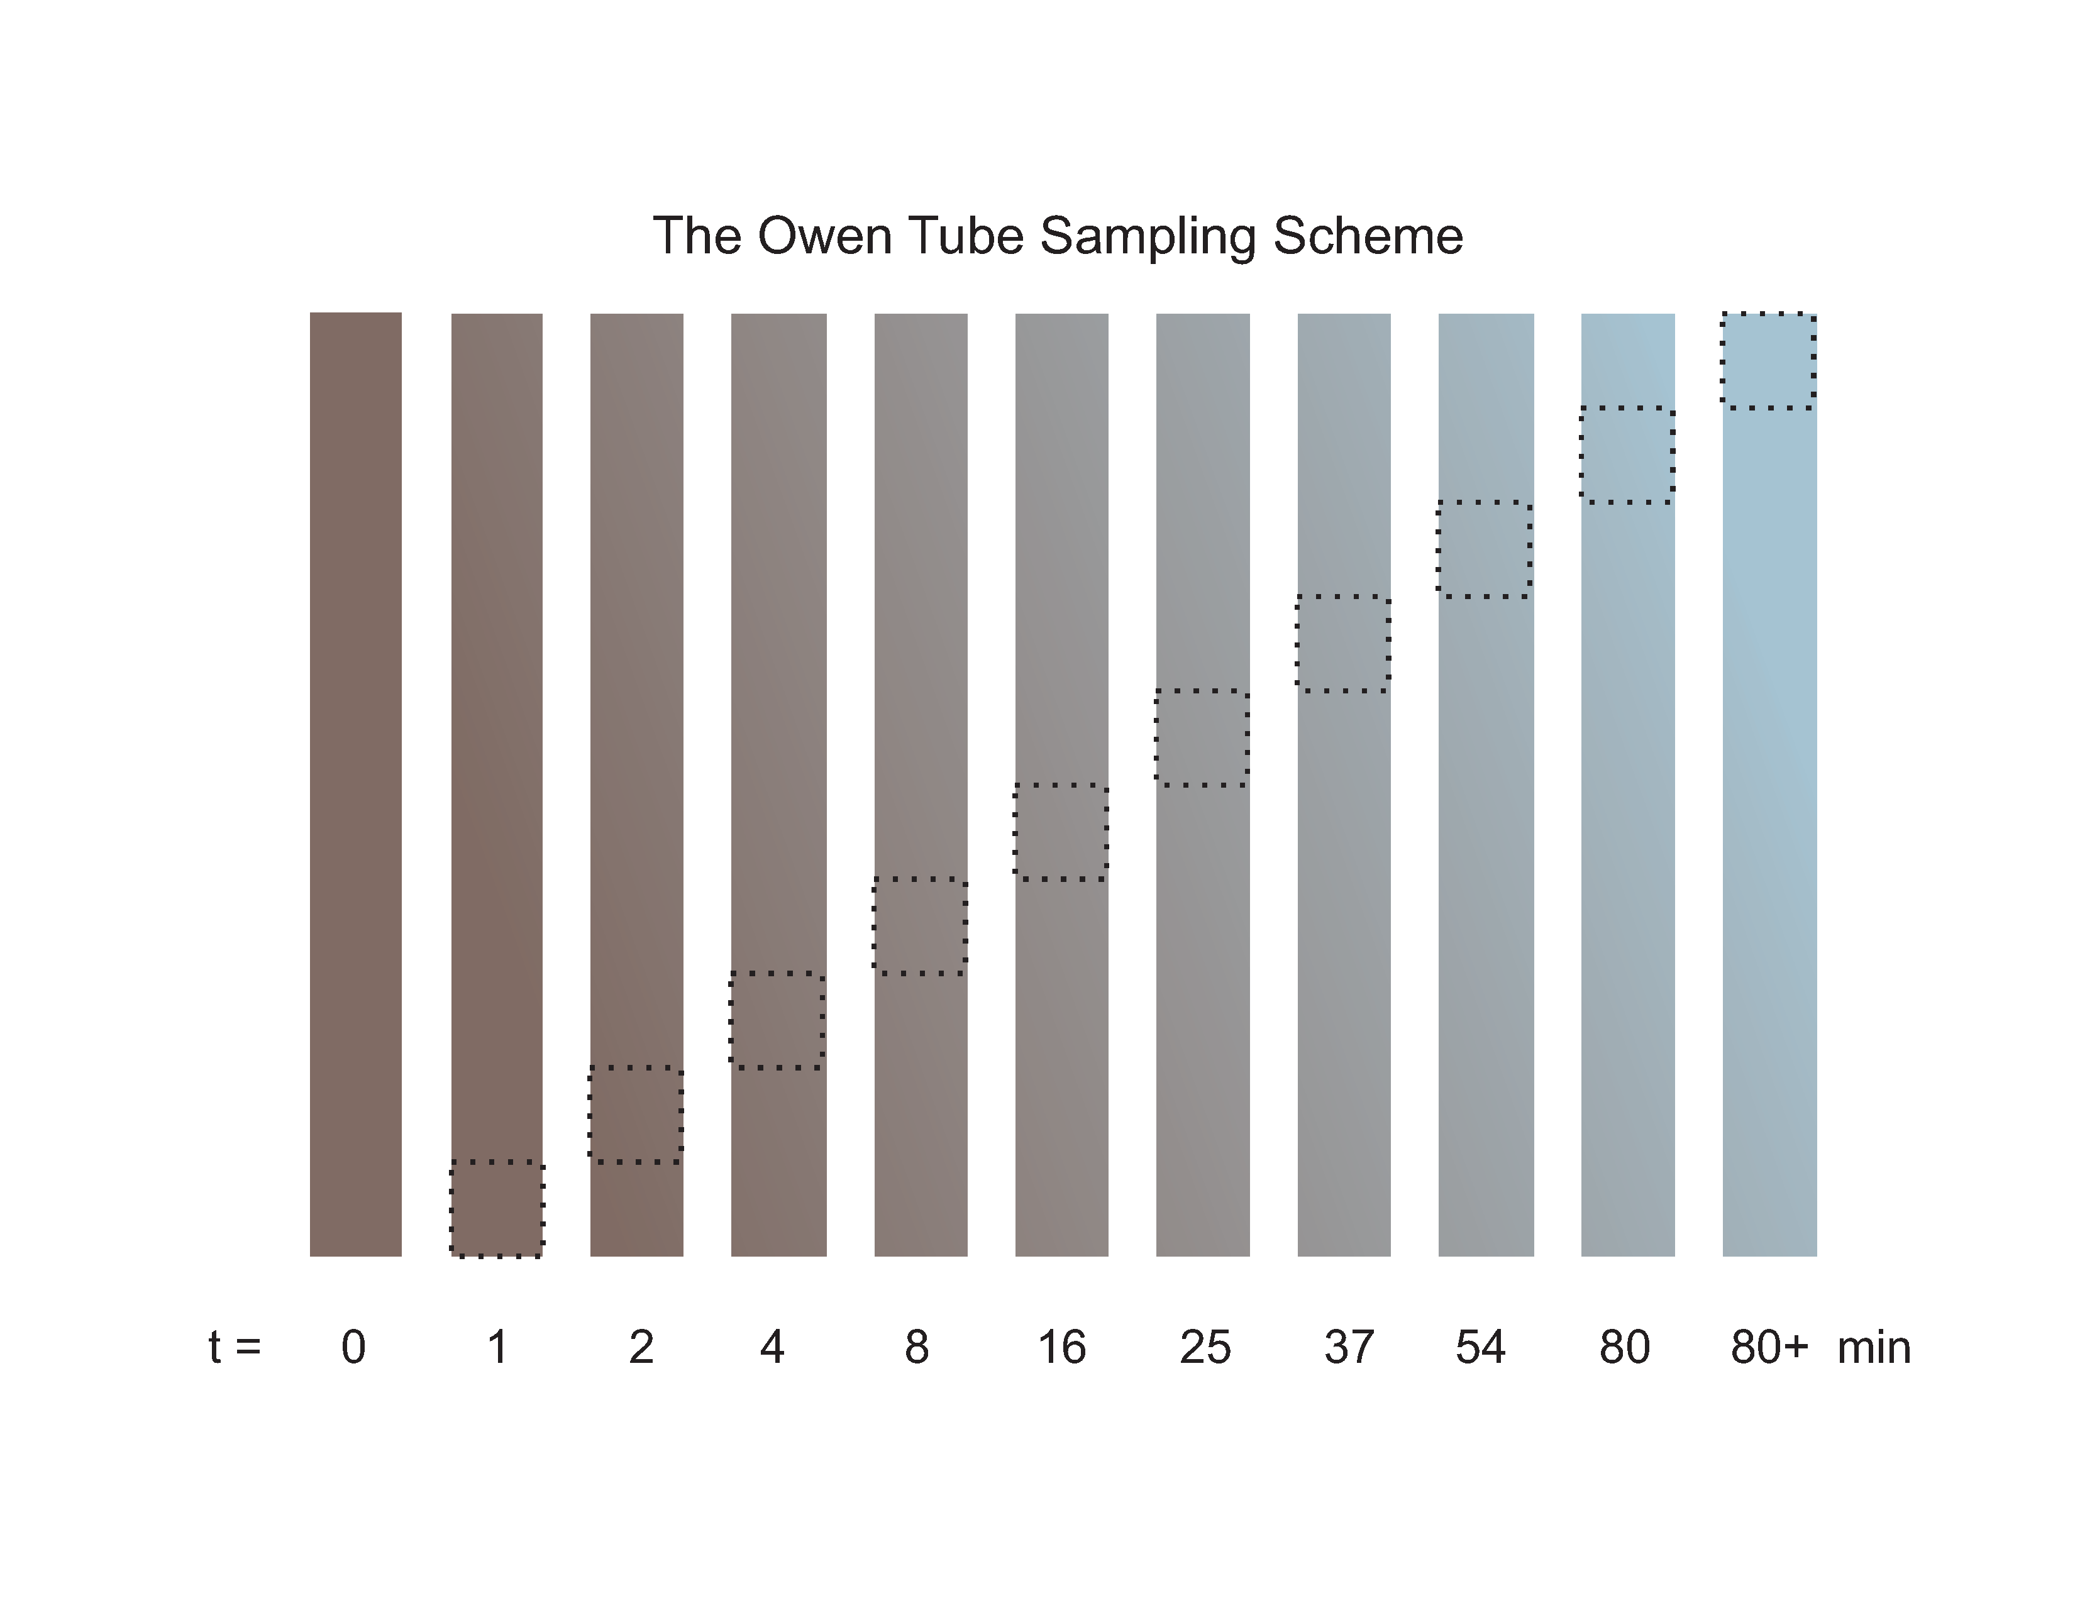

Illustration of sampling scheme for a bottom withdrawal settling tube. This particular illustration shows 10 withdrawals, rather than the 5 given in the present example, but the principle is the same. At t = 0, just after the sample is taken, the tube is assumed to have its highest concentration of TSS uniformly distributed throughout. At the first sampling time, the bottom 10% of the tube is removed, taking with it some of the particles that have settled very rapidly. As sampling progresses, the volume represented by each sample effectively moves up the tube (actually, the column of water moves down towards the bottom). At the same time, the water column clears through settling. The last sample represents the water that was originally at the top of the tube, containing only material that had not settled by the last sampling time. The corrections that account for the water column shortening effectively mimic bottom withdrawal of the settled mass, but as though the water column itself had not been removed.

